Chart
My Ripper 8kg Brisket Cook
 | Grill Temperature | P1 Chicken | P2 Pork | P3 Grill Rack | Probe 4 | Grill Target Temperature | Auger Runtime (min) | Ignitior Runtime (min)
2024-01-13 11:02:24 | 45 | 5 | 5 | 42 | 22 | 75 | 0 | 0.1
2024-01-13 11:02:44 | 82 | 5 | 6 | 79 | 22 | 75 | 0 | 0.4
2024-01-13 11:03:44 | 82 | 6 | 6 | 79 | 22 | 75 | 1 | 1.3
2024-01-13 11:04:44 | 83 | 6 | 6 | 80 | 22 | 75 | 1 | 1.8
2024-01-13 11:05:44 | 82 | 7 | 7 | 79 | 22 | 75 | 1 | 1.8
2024-01-13 11:06:44 | 82 | 7 | 7 | 79 | 22 | 75 | 1 | 1.8
2024-01-13 11:07:44 | 82 | 7 | 8 | 79 | 22 | 75 | 1 | 1.8
2024-01-13 11:08:44 | 82 | 8 | 8 | 79 | 22 | 75 | 1 | 1.8
2024-01-13 11:09:44 | 82 | 8 | 8 | 79 | 22 | 75 | 1 | 1.8
2024-01-13 11:10:44 | 82 | 9 | 9 | 79 | 22 | 75 | 1 | 1.8
2024-01-13 11:11:44 | 82 | 9 | 9 | 79 | 22 | 75 | 1 | 1.8
2024-01-13 11:12:44 | 82 | 9 | 10 | 79 | 22 | 75 | 2 | 1.8
2024-01-13 11:13:44 | 82 | 10 | 10 | 79 | 22 | 75 | 2 | 1.8
2024-01-13 11:14:44 | 82 | 10 | 10 | 79 | 22 | 75 | 2 | 1.8
2024-01-13 11:15:44 | 82 | 11 | 11 | 79 | 22 | 75 | 2 | 1.8
2024-01-13 11:16:44 | 82 | 11 | 11 | 79 | 22 | 75 | 2 | 1.8
2024-01-13 11:17:44 | 82 | 11 | 12 | 79 | 22 | 75 | 2 | 1.8
2024-01-13 11:18:44 | 82 | 12 | 12 | 79 | 22 | 75 | 2 | 1.8
2024-01-13 11:19:44 | 82 | 12 | 12 | 79 | 22 | 75 | 3 | 1.8
2024-01-13 11:20:44 | 82 | 13 | 13 | 79 | 22 | 75 | 3 | 1.8
2024-01-13 11:21:44 | 82 | 13 | 13 | 79 | 22 | 75 | 3 | 1.8
2024-01-13 11:22:44 | 82 | 13 | 14 | 79 | 22 | 75 | 3 | 1.8
2024-01-13 11:23:44 | 82 | 14 | 14 | 79 | 22 | 75 | 3 | 1.8
2024-01-13 11:24:44 | 82 | 14 | 14 | 79 | 22 | 75 | 3 | 1.8
2024-01-13 11:25:44 | 82 | 15 | 15 | 79 | 22 | 75 | 4 | 1.8
2024-01-13 11:26:44 | 82 | 15 | 15 | 79 | 22 | 75 | 4 | 1.8
2024-01-13 11:27:44 | 82 | 15 | 16 | 79 | 22 | 75 | 4 | 1.8
2024-01-13 11:28:44 | 82 | 16 | 16 | 79 | 22 | 75 | 4 | 1.8
2024-01-13 11:29:44 | 82 | 16 | 17 | 79 | 22 | 75 | 4 | 1.8
2024-01-13 11:30:44 | 82 | 17 | 17 | 79 | 22 | 75 | 4 | 1.8
2024-01-13 11:31:44 | 82 | 17 | 17 | 79 | 22 | 75 | 4 | 1.8
2024-01-13 11:32:44 | 82 | 17 | 18 | 79 | 22 | 75 | 4 | 1.8
2024-01-13 11:33:44 | 82 | 18 | 18 | 79 | 22 | 75 | 4 | 1.8
2024-01-13 11:34:44 | 82 | 18 | 19 | 79 | 22 | 75 | 5 | 1.8
2024-01-13 11:35:44 | 82 | 19 | 19 | 79 | 22 | 75 | 5 | 1.8
2024-01-13 11:36:44 | 82 | 19 | 19 | 79 | 22 | 75 | 5 | 1.8
2024-01-13 11:37:44 | 82 | 19 | 20 | 79 | 22 | 75 | 5 | 1.8
2024-01-13 11:38:44 | 82 | 20 | 20 | 79 | 22 | 75 | 5 | 1.8
2024-01-13 11:39:44 | 82 | 20 | 21 | 79 | 22 | 75 | 5 | 1.8
2024-01-13 11:40:44 | 82 | 21 | 21 | 79 | 23 | 75 | 5 | 1.8
2024-01-13 11:41:44 | 82 | 21 | 21 | 79 | 23 | 75 | 6 | 1.8
2024-01-13 11:42:44 | 82 | 21 | 22 | 79 | 23 | 75 | 6 | 1.8
2024-01-13 11:43:44 | 82 | 22 | 22 | 79 | 23 | 75 | 6 | 1.8
2024-01-13 11:44:44 | 82 | 22 | 23 | 79 | 23 | 75 | 6 | 1.8
2024-01-13 11:45:44 | 82 | 23 | 23 | 79 | 23 | 75 | 6 | 1.8
2024-01-13 11:46:44 | 82 | 23 | 23 | 79 | 23 | 75 | 6 | 1.8
2024-01-13 11:47:44 | 82 | 23 | 24 | 79 | 23 | 75 | 7 | 1.8
2024-01-13 11:48:44 | 82 | 24 | 24 | 79 | 23 | 75 | 7 | 1.8
2024-01-13 11:49:44 | 82 | 24 | 25 | 79 | 23 | 75 | 7 | 1.8
2024-01-13 11:50:44 | 82 | 25 | 25 | 79 | 23 | 75 | 7 | 1.8
...

Cook Summary
 | My Ripper 8kg Brisket Cook

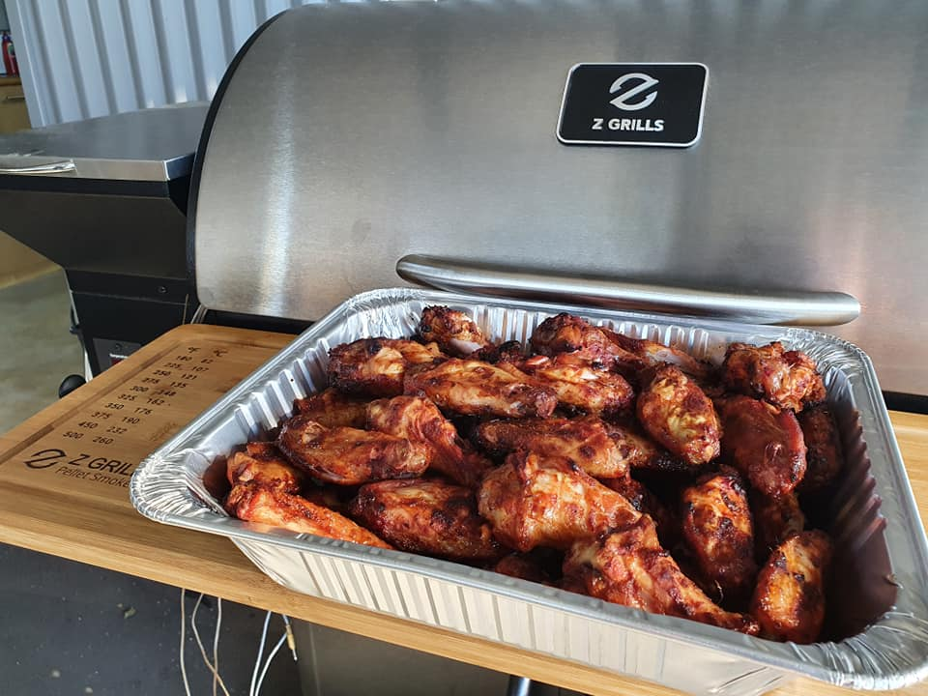
Any notes you want to include about your cook.
Cook Date: | 2024-01-13 11:02:24 |  | Cook Notes:
Total Cook Time: | 5:33:20
Wood Pellets Type: | Smokin' Sth Hardwood
Max Grill Temp: | 85 | ℃
Min Grill Temp: | 45 | ℃
Wood Pellet Usage: | 2.8 | kg

Cook Graph
 | Grill Temperature | P1 Chicken | P2 Pork | P3 Grill Rack | Probe 4 | Grill Target Temperature | Auger Runtime (min) | Ignitior Runtime (min)
2024-01-13 11:02:24 | 45 | 5 | 5 | 42 | 22 | 75 | 0 | 0.1
2024-01-13 11:02:44 | 82 | 5 | 6 | 79 | 22 | 75 | 0 | 0.4
2024-01-13 11:03:44 | 82 | 6 | 6 | 79 | 22 | 75 | 1 | 1.3
2024-01-13 11:04:44 | 83 | 6 | 6 | 80 | 22 | 75 | 1 | 1.8
2024-01-13 11:05:44 | 82 | 7 | 7 | 79 | 22 | 75 | 1 | 1.8
2024-01-13 11:06:44 | 82 | 7 | 7 | 79 | 22 | 75 | 1 | 1.8
2024-01-13 11:07:44 | 82 | 7 | 8 | 79 | 22 | 75 | 1 | 1.8
2024-01-13 11:08:44 | 82 | 8 | 8 | 79 | 22 | 75 | 1 | 1.8
2024-01-13 11:09:44 | 82 | 8 | 8 | 79 | 22 | 75 | 1 | 1.8
2024-01-13 11:10:44 | 82 | 9 | 9 | 79 | 22 | 75 | 1 | 1.8
2024-01-13 11:11:44 | 82 | 9 | 9 | 79 | 22 | 75 | 1 | 1.8
2024-01-13 11:12:44 | 82 | 9 | 10 | 79 | 22 | 75 | 2 | 1.8
2024-01-13 11:13:44 | 82 | 10 | 10 | 79 | 22 | 75 | 2 | 1.8
2024-01-13 11:14:44 | 82 | 10 | 10 | 79 | 22 | 75 | 2 | 1.8
2024-01-13 11:15:44 | 82 | 11 | 11 | 79 | 22 | 75 | 2 | 1.8
2024-01-13 11:16:44 | 82 | 11 | 11 | 79 | 22 | 75 | 2 | 1.8
2024-01-13 11:17:44 | 82 | 11 | 12 | 79 | 22 | 75 | 2 | 1.8
2024-01-13 11:18:44 | 82 | 12 | 12 | 79 | 22 | 75 | 2 | 1.8
2024-01-13 11:19:44 | 82 | 12 | 12 | 79 | 22 | 75 | 3 | 1.8
2024-01-13 11:20:44 | 82 | 13 | 13 | 79 | 22 | 75 | 3 | 1.8
2024-01-13 11:21:44 | 82 | 13 | 13 | 79 | 22 | 75 | 3 | 1.8
2024-01-13 11:22:44 | 82 | 13 | 14 | 79 | 22 | 75 | 3 | 1.8
2024-01-13 11:23:44 | 82 | 14 | 14 | 79 | 22 | 75 | 3 | 1.8
2024-01-13 11:24:44 | 82 | 14 | 14 | 79 | 22 | 75 | 3 | 1.8
2024-01-13 11:25:44 | 82 | 15 | 15 | 79 | 22 | 75 | 4 | 1.8
2024-01-13 11:26:44 | 82 | 15 | 15 | 79 | 22 | 75 | 4 | 1.8
2024-01-13 11:27:44 | 82 | 15 | 16 | 79 | 22 | 75 | 4 | 1.8
2024-01-13 11:28:44 | 82 | 16 | 16 | 79 | 22 | 75 | 4 | 1.8
2024-01-13 11:29:44 | 82 | 16 | 17 | 79 | 22 | 75 | 4 | 1.8
2024-01-13 11:30:44 | 82 | 17 | 17 | 79 | 22 | 75 | 4 | 1.8
2024-01-13 11:31:44 | 82 | 17 | 17 | 79 | 22 | 75 | 4 | 1.8
2024-01-13 11:32:44 | 82 | 17 | 18 | 79 | 22 | 75 | 4 | 1.8
2024-01-13 11:33:44 | 82 | 18 | 18 | 79 | 22 | 75 | 4 | 1.8
2024-01-13 11:34:44 | 82 | 18 | 19 | 79 | 22 | 75 | 5 | 1.8
2024-01-13 11:35:44 | 82 | 19 | 19 | 79 | 22 | 75 | 5 | 1.8
2024-01-13 11:36:44 | 82 | 19 | 19 | 79 | 22 | 75 | 5 | 1.8
2024-01-13 11:37:44 | 82 | 19 | 20 | 79 | 22 | 75 | 5 | 1.8
2024-01-13 11:38:44 | 82 | 20 | 20 | 79 | 22 | 75 | 5 | 1.8
2024-01-13 11:39:44 | 82 | 20 | 21 | 79 | 22 | 75 | 5 | 1.8
2024-01-13 11:40:44 | 82 | 21 | 21 | 79 | 23 | 75 | 5 | 1.8
2024-01-13 11:41:44 | 82 | 21 | 21 | 79 | 23 | 75 | 6 | 1.8
2024-01-13 11:42:44 | 82 | 21 | 22 | 79 | 23 | 75 | 6 | 1.8
2024-01-13 11:43:44 | 82 | 22 | 22 | 79 | 23 | 75 | 6 | 1.8
2024-01-13 11:44:44 | 82 | 22 | 23 | 79 | 23 | 75 | 6 | 1.8
2024-01-13 11:45:44 | 82 | 23 | 23 | 79 | 23 | 75 | 6 | 1.8
2024-01-13 11:46:44 | 82 | 23 | 23 | 79 | 23 | 75 | 6 | 1.8
2024-01-13 11:47:44 | 82 | 23 | 24 | 79 | 23 | 75 | 7 | 1.8
2024-01-13 11:48:44 | 82 | 24 | 24 | 79 | 23 | 75 | 7 | 1.8
2024-01-13 11:49:44 | 82 | 24 | 25 | 79 | 23 | 75 | 7 | 1.8
2024-01-13 11:50:44 | 82 | 25 | 25 | 79 | 23 | 75 | 7 | 1.8
...

 |  |  |  | Copyright 2024 - Z Grills Australia Pty Ltd

